API 1
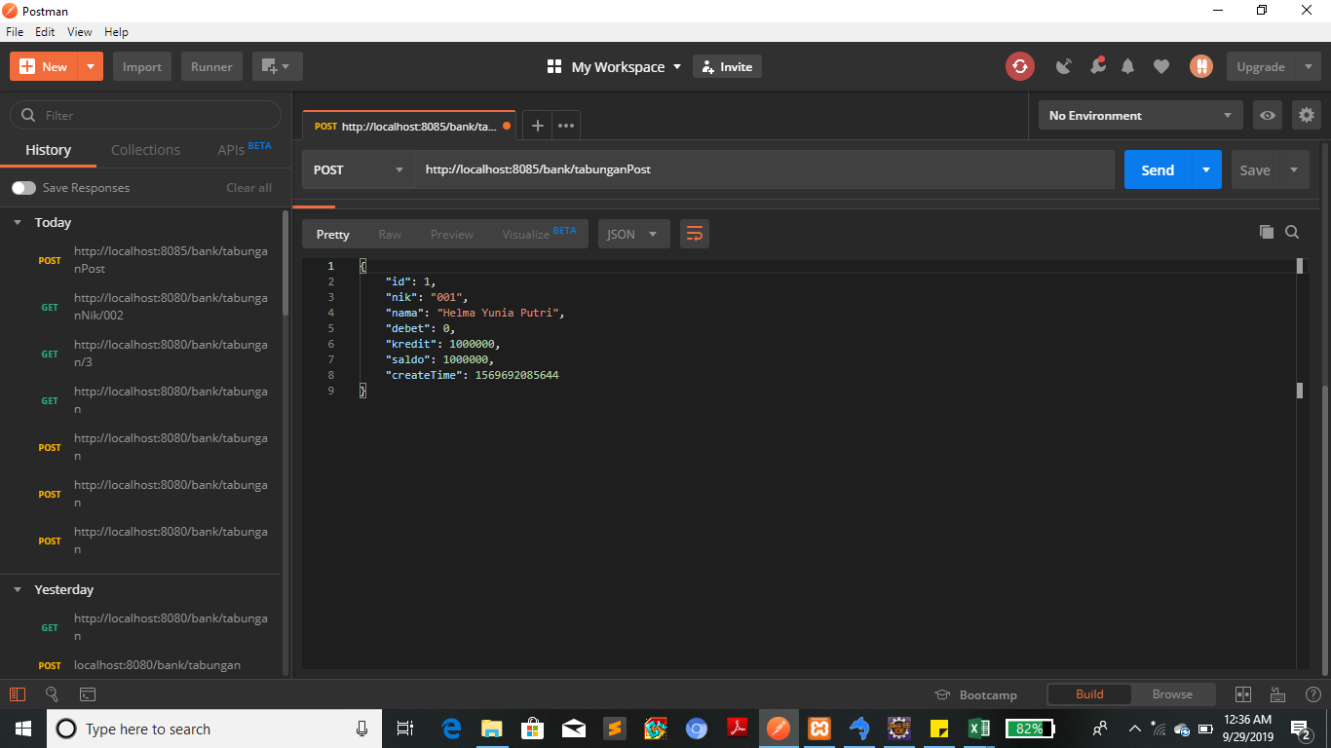
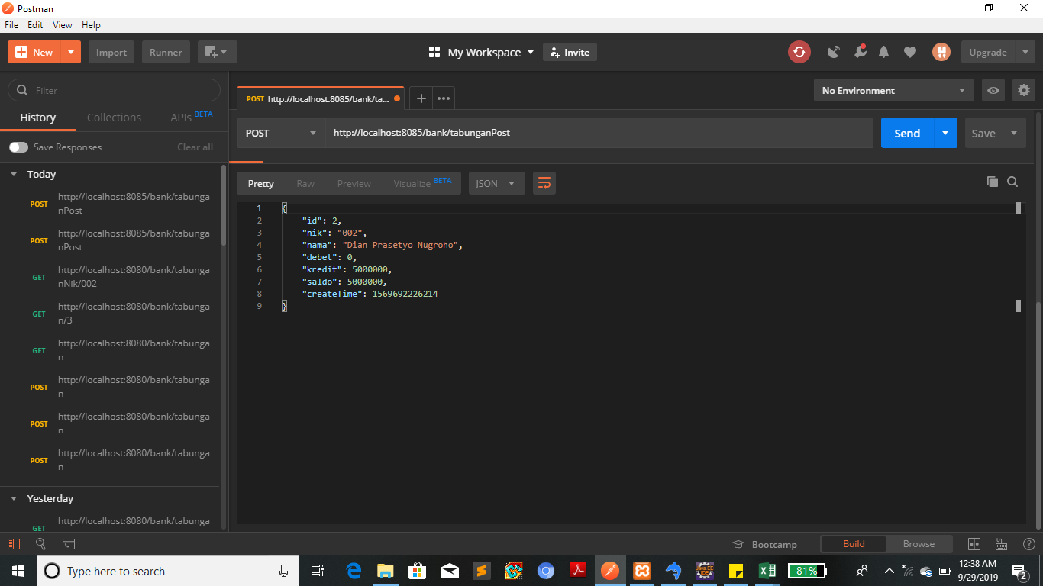

API | CEK POST (TAMBAH DATA)
http://localhost:8085/bank/tabunganPost

PARAMETER
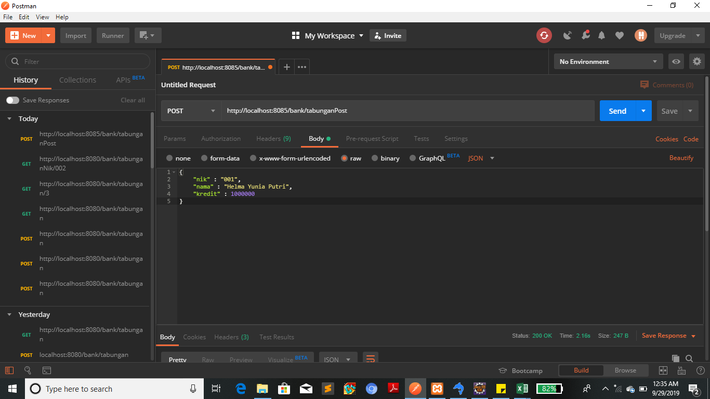

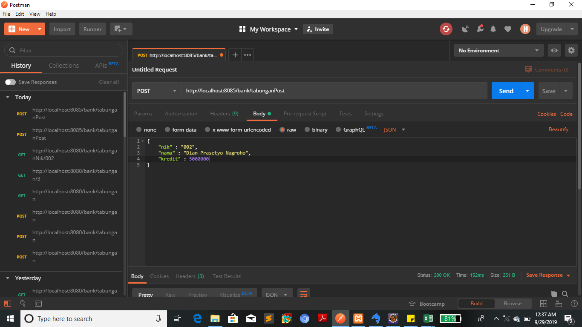

RESPONSE



RESPONS

API 2
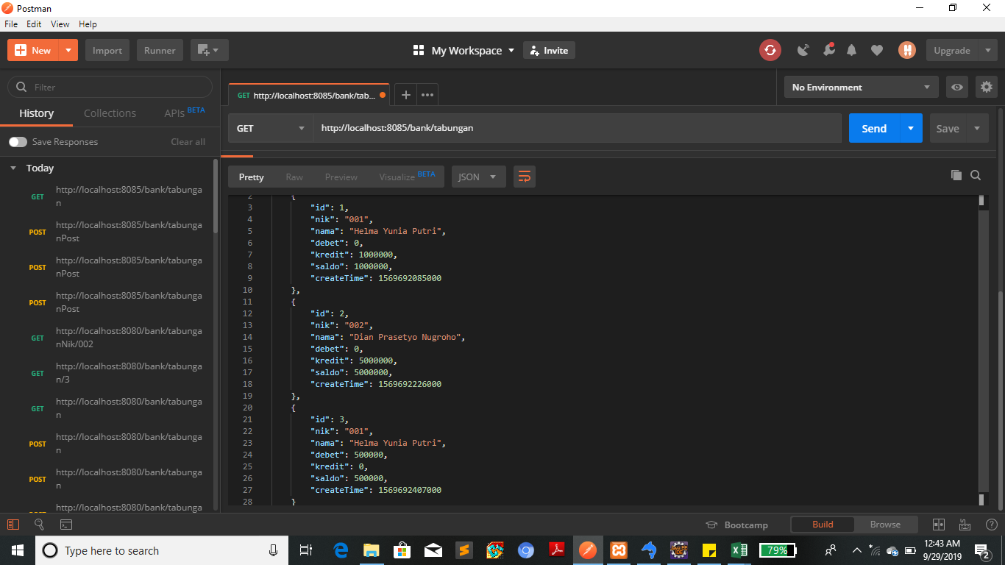
API | CEK GET ALL (LIHAT DATA)
http://localhost:8085/bank/tabungan

PARAMETER


RESPONSE

API 3

API | CEK GET BY ID
http://localhost:8085/bank/tabungan/3

PARAMETER


RESPONSE

API 4
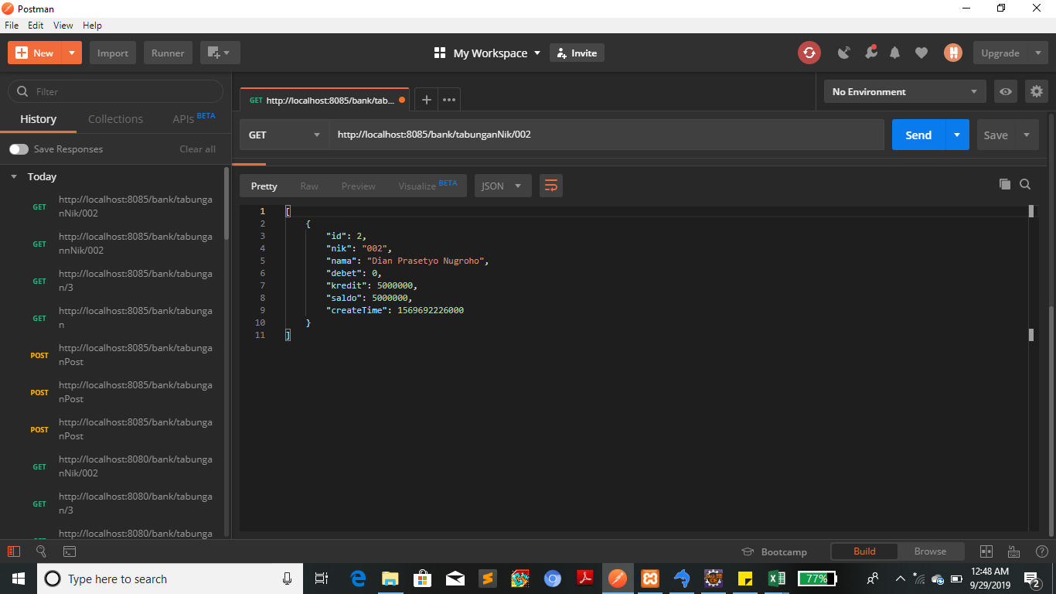
API | CEK GET BY NIK
http://localhost:8085/bank/tabunganNik/002

PARAMETER


RESPONSE

API 5
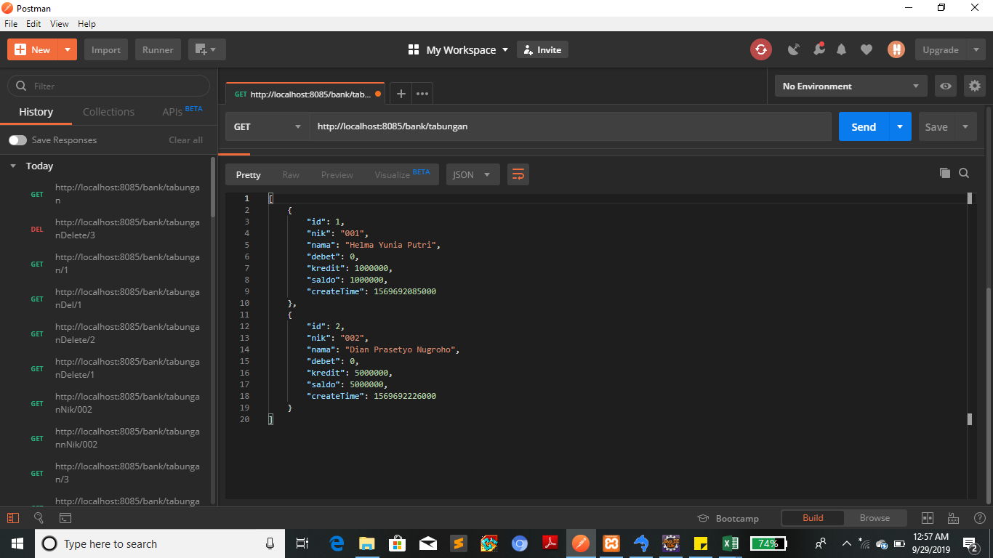
API | CEK DELETE BY ID
http://localhost:8085/bank/tabunganDelete/3

PARAMETER




RESPONS

API 6
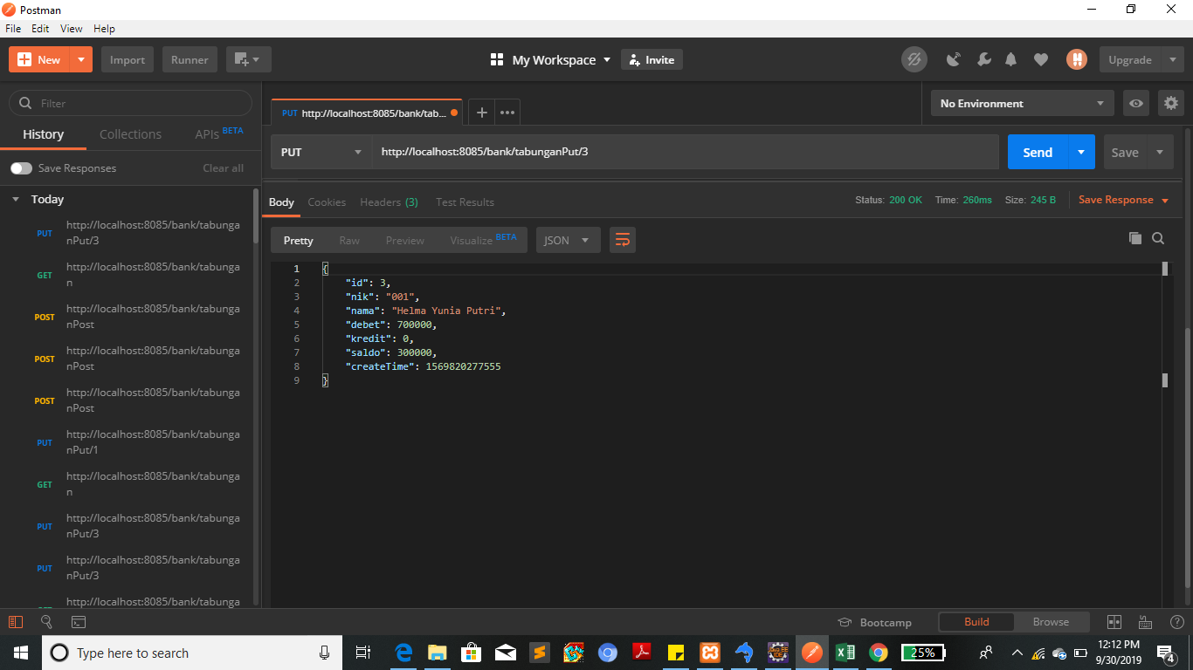
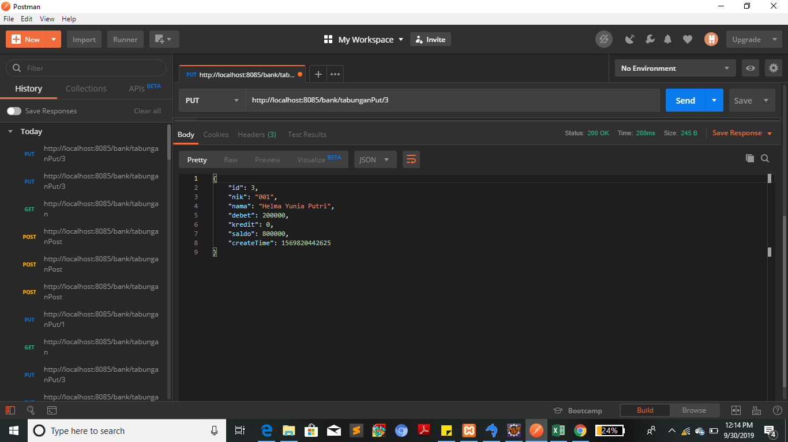
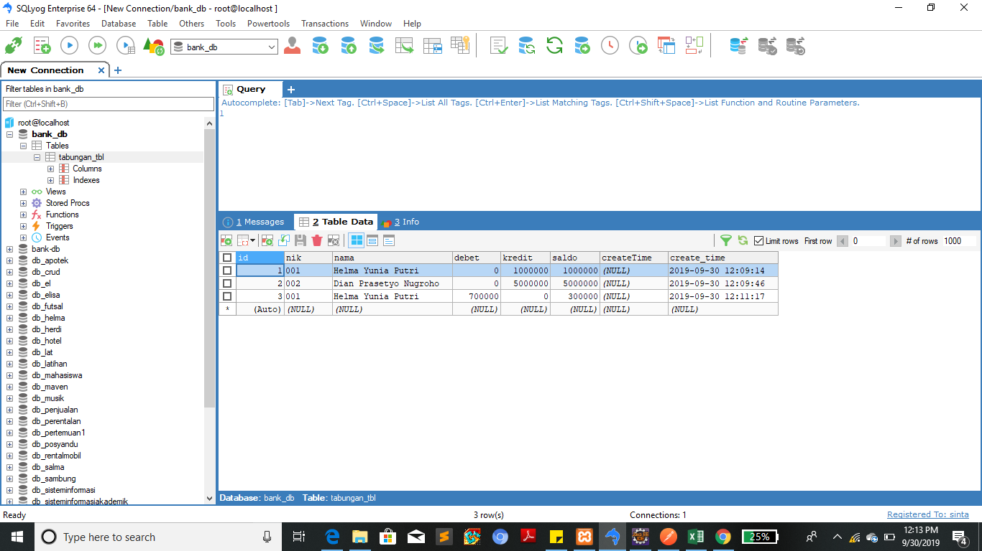

API |  | CEK UPDATE
http://localhost:8085/bank/tabunganPut/3

PARAMETER | UPDATE KE-1 |  | PARAMATER | UPDATE KE-2
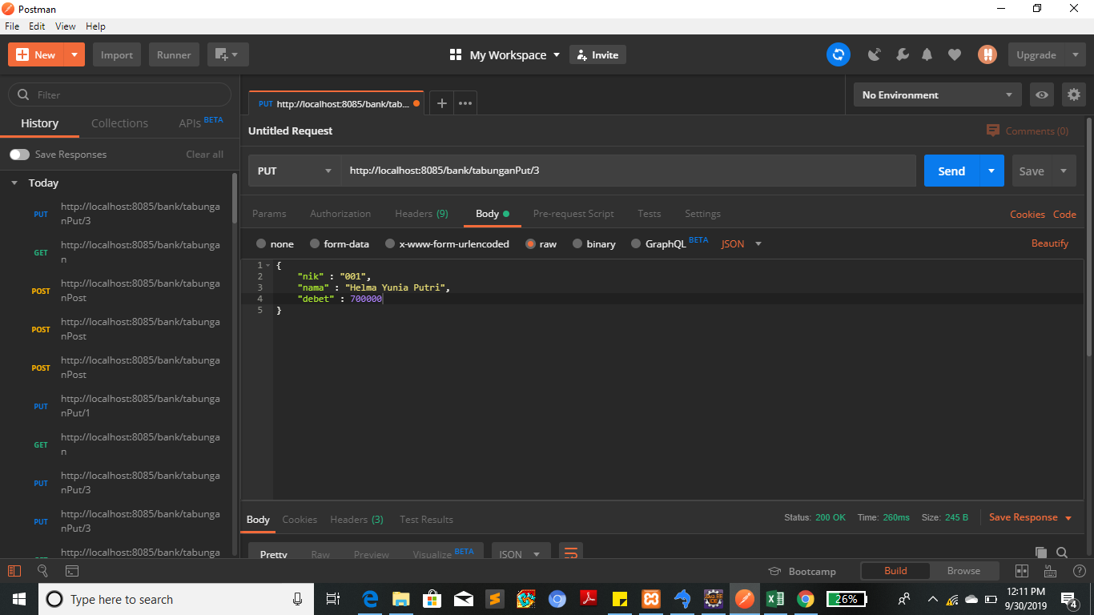
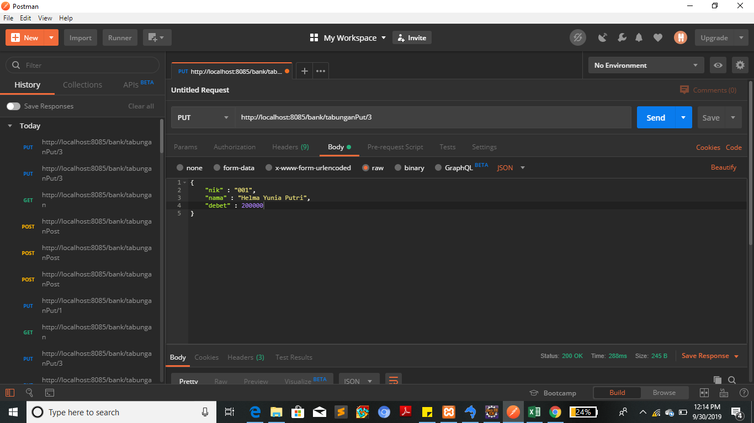

RESPONS |  |  | RESPONS

